1.1Diff Tuned ThrVs Fixed Thre
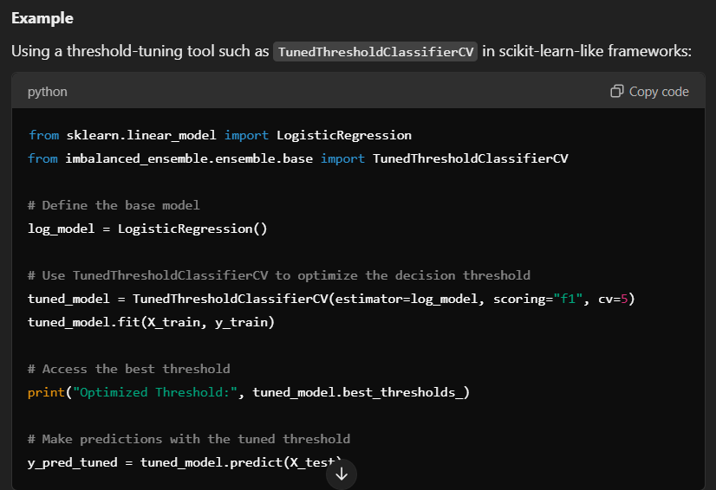
DIFFERENCE IN BETWEEN FIXED THRESHOLD CLASSIFIERS CV VS TUNED THRESHOLD CLASSIFIERS CV | REFERENCE

 | ⇰REFERENCE (Website)-->Scikit learn Regarding Conceptual Understanding of Tuned Threshold Classifier CV | ⇰REFERENCE (You Tube)-->Scikit Learn (1.5.0) Latest Version Regarding New Updates in Scikit Learn newest version

 | ⇰REFERENCE (Website)-->Scikit learn Regarding Post-tuning the decision threshold for cost-sensitive learning | ⇰REFERENCE (You Tube)-->DatMListic Regarding How to Select the BEST Threshold for Your Model Using the ROC Curve

⇰Fixed Threshold Classifiers CV

⇒A Fixed Threshold Classifier uses a default or pre-defined decision threshold (commonly 0.5 for binary classification). This threshold remains constant during the entire process, including training, cross-validation, and testing. »Characteristics ❶Threshold Value: Fixed at a pre-determined value (e.g., 0.5). ❷Use Case: Suitable when the default threshold is adequate or when the objective metric (e.g., accuracy) aligns well with this default. ❸No Optimization: Does not attempt to optimize or tune the threshold. ❹Metric Dependence: Works well when the evaluation metric is not heavily influenced by the choice of the threshold (e.g., balanced datasets with high accuracy).

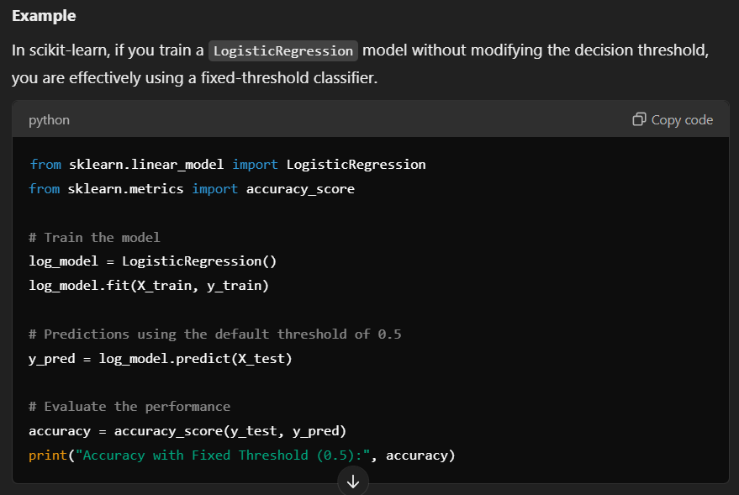

⇰Tuned Threshold Classifiers CV | ⇰REFERENCE (Website)-->Scikit learn Regarding Conceptual Understanding of Tuned Threshold Classifier CV | ⇰REFERENCE (You Tube)-->Scikit Learn (1.5.0) Latest Version Regarding New Updates in Scikit Learn newest version

⇒A Tuned Threshold Classifier actively optimizes the decision threshold during training or evaluation. This process involves finding a threshold that maximizes a specific performance metric, such as precision, recall, F1-score, or custom metrics. »Characteristics ❶Threshold Optimization: Finds the optimal threshold value based on the evaluation metric. ❷Use Case: Ideal for imbalanced datasets or when the evaluation metric (e.g., F1-score, precision, recall) is sensitive to the threshold choice. ❸Metric-Driven: Adjusts the decision threshold to align with the evaluation metric being ❹optimized (e.g., F1-score maximization may require a threshold other than 0.5). ❺Requires Tuning: Typically involves cross-validation to select the best threshold.

 | ⇰REFERENCE (Website)-->Scikit learn Regarding Post-tuning the decision threshold for cost-sensitive learning | ⇰REFERENCE (You Tube)-->DatMListic Regarding How to Select the BEST Threshold for Your Model Using the ROC Curve

2.Fixed Threshold Classifier
»FIXED THRESHOLD CLASSIFIER |  | REFERENCE

»WHAR IS FIXED THRESHOLD CLASSIFIERS ?

❶According to Scikit learn Fixed Threshold Classifier is a machine learning model that uses a predetermined threshold to make predictions. In binary classification, this threshold determines the point at which the model decides whether a given input belongs to the positive or negative class. ❷How It Works ⇒In a binary classification problem: ⇒The model outputs probabilities (e.g., from logistic regression or a probabilistic model). ⇒A fixed threshold is applied to convert these probabilities into class labels. ⇒For example: »If the threshold is 0.5, a probability p: ①p >= 0.5 → Class 1 (positive class). ②p < 0.5 → Class 0 (negative class). | 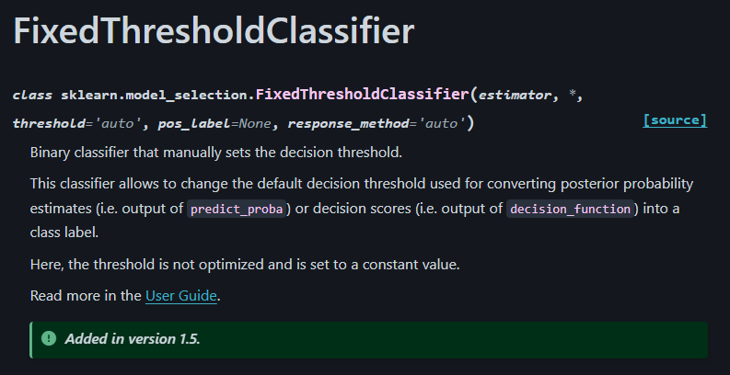 | ⇰REFERENCE (Website)-->Scikitlearn regarding Conceptual Understanding of Various Hyper Parameter of Fixed Threshold Classifiers

KEY CHARACTERSTICS OF FIXED THREHOLD CLASSIFIER

❶Fixed Threshold Value: ①Typically set to 0.5 in most classification algorithms like logistic regression. ②A prediction probability above or equal to the threshold is classified as positive (1), and below the threshold as negative (0). ❷No Threshold Tuning: ①The threshold remains constant & is not optimized during the model's training or evaluation process. ❸Default Behavior: ❹Many classifiers like LogisticRegression in scikit-learn use a fixed threshold of 0.5 unless explicitly modified. |  | `

3.H.Param>Fixed Three Classi CV

▣HYPER PARAMETER FOR FIXED THRESHOLD CLASSIFIERS |  |  | REFERENCE

IMPERATIVE / FUNDAMENTAL HYPER PARAMETER FIXED THRESHOLD CLASSIFIERS | 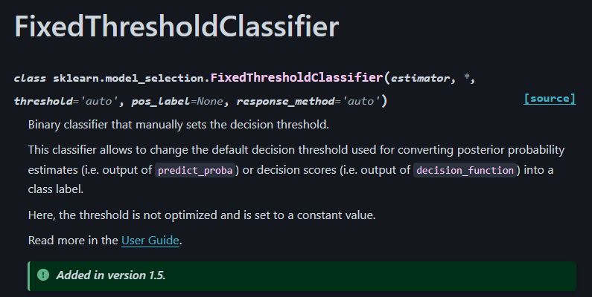

⇰estimator:estimator instance |  |  | ⇰REFERENCE (Website)-->Scikitlearn Regarding Conceptual Understanding of Various Hyper Parameter for Fixed Threshold Classifiers
❶According to Scikit Learn The classifier, fitted or not, for which we want to optimize the decision threshold used during predict. ❷In other words The estimator parameter specifies the machine learning model (classifier) you want to optimize.In the context of Scikit-learn, an estimator is any object implementing the methods fit() and predict(). Examples include classifiers like LogisticRegression,RFC, or SVC.

 | 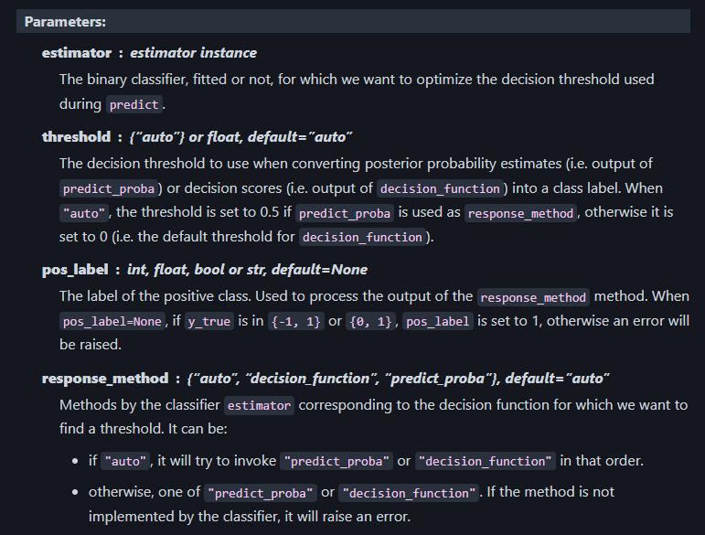

⇰response_method{“auto”, “decision_function”, “predict_proba”}, default=”auto” in Logistic Reg

❶Methods by the classifier estimator corresponding to the decision function for which we want to find a threshold. It can be: ❷if "auto", it will try to invoke, for each classifier, "predict_proba" or "decision_function" in that order. ❸otherwise, one of "predict_proba" or "decision_function". If the method is not implemented by the classifier, it will raise an error.

❹predict_proba⇒ Reference Attached from 2.6(ii) Logistic Regression (Excel Sheet)
❺decision_function⇒ Reference Attached from 2.6(ii) Logistic Regression (Excel Sheet)
⇰scoring:str or callable, default=”balanced_accuracy”
»The objective metric to be optimized. Can be one of: ①A string associated to a scoring function for binary classification (see model evaluation documentation) & Metrics and scoring: quantifying the quality of predictions SCORING METRICS FOR PERFORMANCE EVALUATION

②A scorer callable object created with REFERENCE⇒make_scorer (Scikit Learn); |  |  | ⇰REFERENCE (Website)-->Stack Exchange Regarding Conceptual & Practical Understanding of Reason for Inverse Relationship in Between Precision & Recall
⇰thresholds:int or array-like, default=100
❶The number of decision threshold to use when discretizing the output of the classifier method. Pass an array-like to manually specify the thresholds to use. ❷In Simple Words The thresholds parameter specifies the number or exact values of thresholds at which a classifier's performance is evaluated. It is crucial for classifiers that output probabilities or decision scores (e.g., logistic regression, SVM, etc.). ⇒A decision threshold is a cutoff value applied to the predicted probabilities or decision scores to decide class labels:For binary classification, predictions greater than or equal to the threshold are classified as the positive class; otherwise, they are classified as the negative class. |  | AT THRESHOLD LEVEL =0.5 CLASSFYING LEVEL ⇒ AS 0 & 1 AGAINST THRESHOLD LEVEL =0.5

 |  | 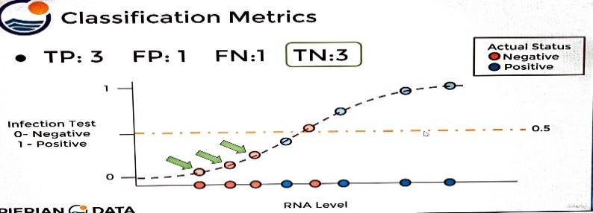

 |  |  | ⇰REFERENCE (Website)-->Machine Learning Mastery Regarding Thereotical & Conceptual Understanding of How to Use ROC Curves & Precision-Recall Curves for Classification in Python

⇰pos_label:int, float, bool or str, default=None
❶According to Scikit Learn label of the positive class. Used to process the output of the response_method method. When pos_label=None, if y_true is in {-1, 1} or {0, 1}, pos_label is set to 1, otherwise an error will be raised. ❷In simple words The pos_label parameter helps the computer figure out which class (category) should be treated as the positive class in a binary classification problem. ⇒In simple terms: ①A positive class is the one you're most interested in detecting or analyzing. ②By default, if your labels are 0 (negative) and 1 (positive), the positive class is 1. |  | 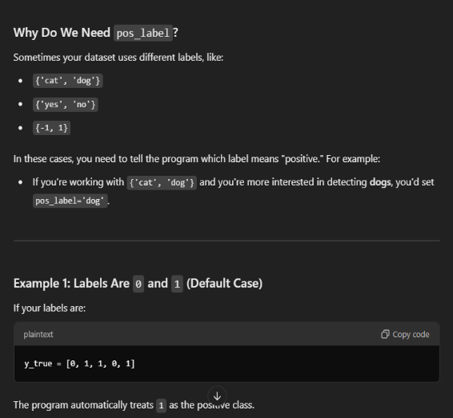

 |  |  | ⇰REFERENCE (Website)-->Google Colab (1.5 (viii)) Logistic Regression+Fixed Threshold Classifiers CV Regarding Hyper Parameter of Fixed Threshold for Thresholds Optimization

4.Method>Fixed Thresho Classif
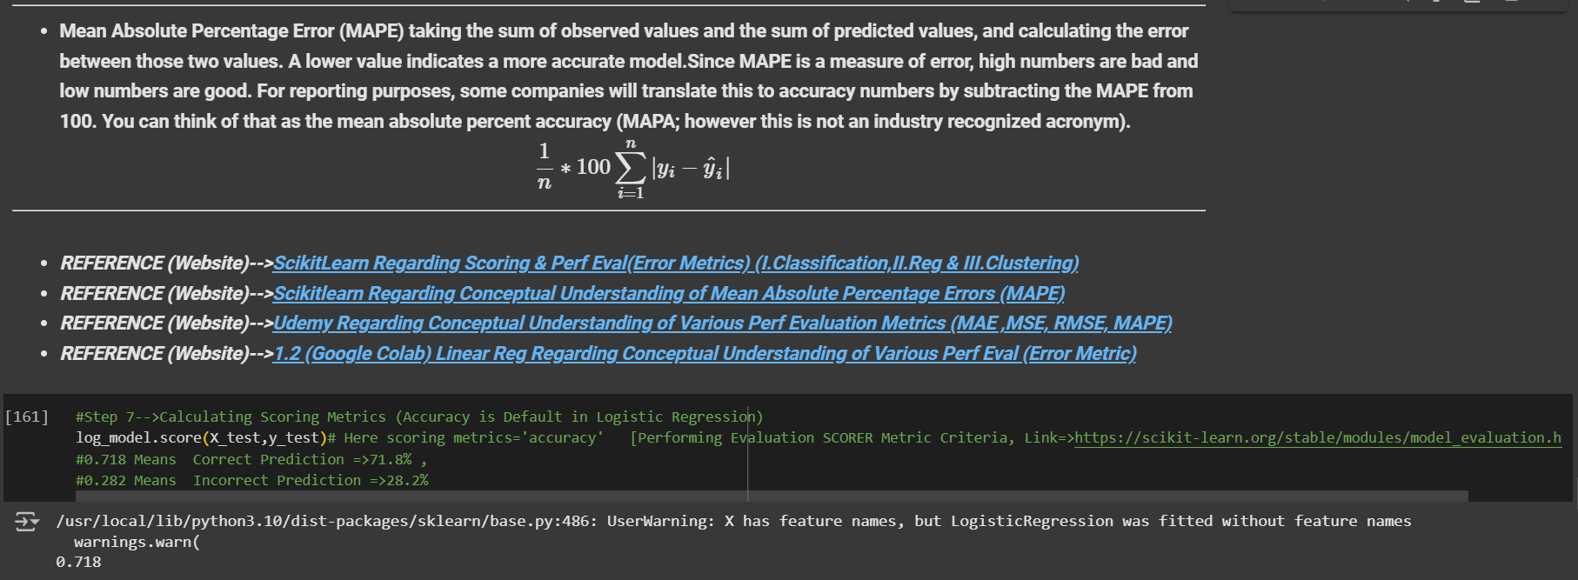
▣ METHODS FOR FIXED THRESHOLD CLASSIFIERS |  |  | REFERENCE

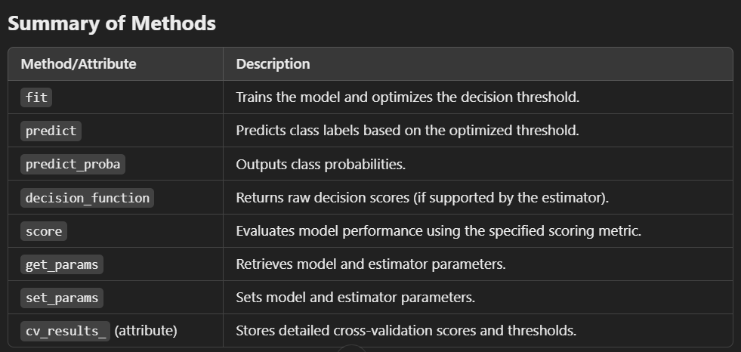 |  |  | ⇰REFERENCE (Website)-->Scikitlearn Regarding Conceptual Understanding of Various Methods of Fixed Thresholds Classifiers

⇰fit(X, y, sample_weight=None) ❶Trains & fit this model & optimizes the decision threshold & In Simple Word fit methods Trains the model and optimizes the decision threshold.

 |  |  | ⇰REFERENCE (Website)-->Google Colab (1.5 (viii)) Logistic Regression+Fixed Threshold Classifiers CV Regarding Fit Methods of Fixed Threshold Classifier for Thresholds Optimization

⇰predict(X) ❶ Call predict on the estimator (Basically model) with the best found parameters which is Selected By Grid Search CV. Only available if refit=True and the underlying estimator supports predict.In Simple Words Predict the target of new samples.

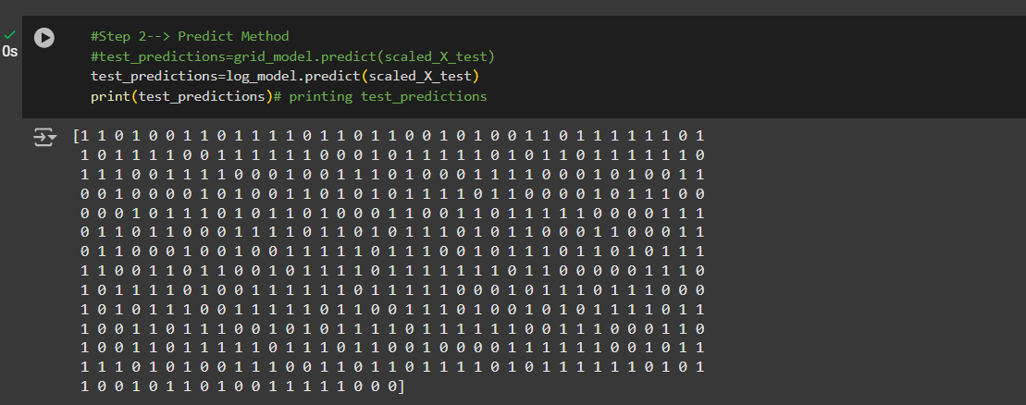 |  |  | ⇰REFERENCE (Website)-->Google Colab (1.5 (viii)) Logistic Regression+Tuned Threshold Classifiers Regarding Predict Methods of Fixed Threshold Classifier for Thresholds Optimization

⇰predict_proba(X) & Prediction of New Unknown Data ❶Probability estimates.The returned estimates for all classes are ordered by the label of classes. ❷multi_class problem >For a multi_class problem, if multi_class is set to be “multinomial” the softmax function is used to find the predicted probability of each class. Else use a one-vs-rest approach, i.e calculate the probability of each class assuming it to be positive using the logistic function and normalize these values across all the classes. ❸Classification algorithms usually also offer a way to quantify certainty of a prediction, either using Classification Category in the form of 0 Or 1 .Basically Prediction in terms of it's probability ranges in between value 0 & 1 at 0th index.
 |  |  | ⇰REFERENCE (Website)-->Scikitlearn Regarding Conceptual Understanding of Various Methods of Fixed Thresholds Classifiers

 |  |  | ⇰REFERENCE (Website)-->Stackoverflow Regarding Thereotical & Practical Implementation of Imperative Methods of Logistic Regression (predict, predict_proba, predict_log_proba)

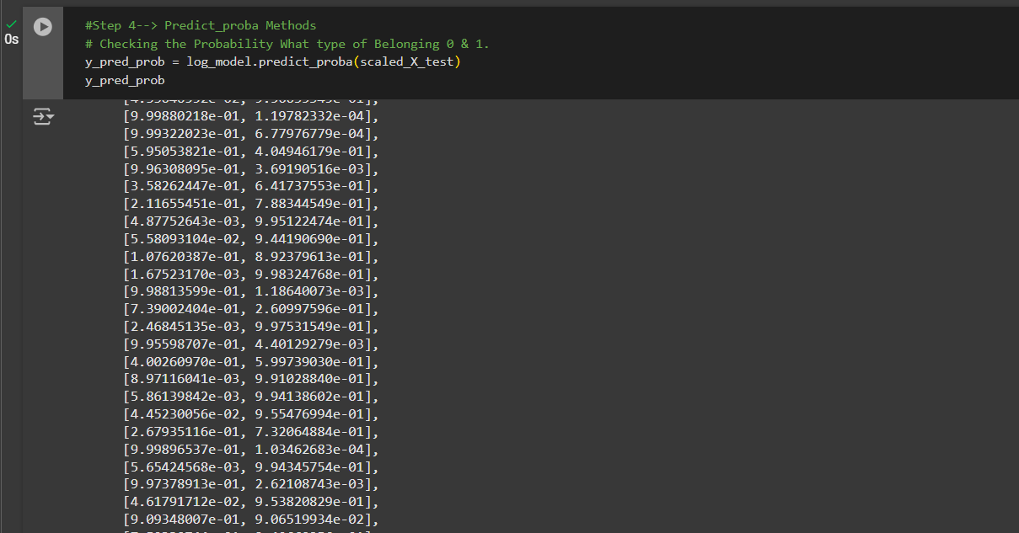
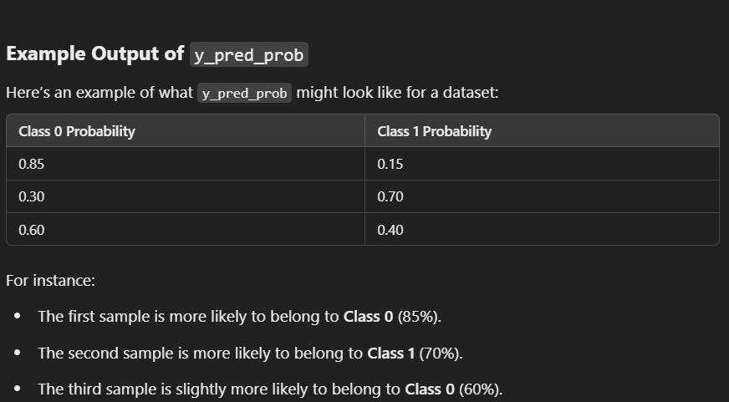 |  |  | ⇰⇰REFERENCE (Website)-->Google Colab (1.5 (viii)) Logistic Regression+Tuned Threshold Classifiers Regarding predict_proba Methods of Fixed Threshold Classifier for Thresholds Optimization

⇰decision_function(X)
❶Evaluate the decision function for the samples in X. Decision function for samples in X using the fitted estimator. ❷Basically in Simple Words According to Stackoverflow The decision function tells us on which side of the hyperplane generated by the classifier we are (& how far we are away from it) Based on that information, the estimator then label the examples with the corresponding label. |  |  | ⇰REFERENCE (You Tube)-->Visually Explained Regarding Practical & Conceptual Understanding of Kernel Trick in Support Vector Machine (SVM)

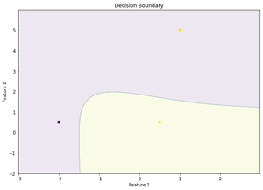 ❸According to Geek for Geek Decision function is a method present in classifier { SVC, Logistic Regression} class of sklearn machine learning framework. This method basically returns a Numpy array, In which each element represents whether a predicted sample for x_test by the classifier lies to the right or left side of the Hyperplane and also how far from the HyperPlane. It also tells us that how confidently each value predicted for x_test by the classifier is Positive ( large-magnitude Positive value) or Negative ( large-magnitude Negative value).

 |  |  | ⇰REFERENCE (Website)-->Geeks for Geeks Regarding Thereotical & Conceptual Understanding of Decision Function

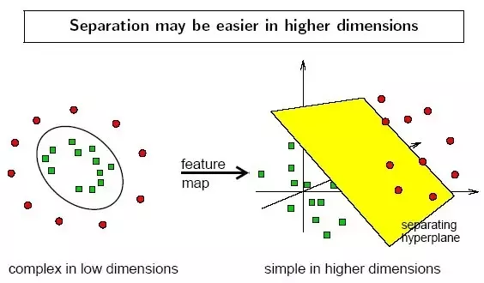 | 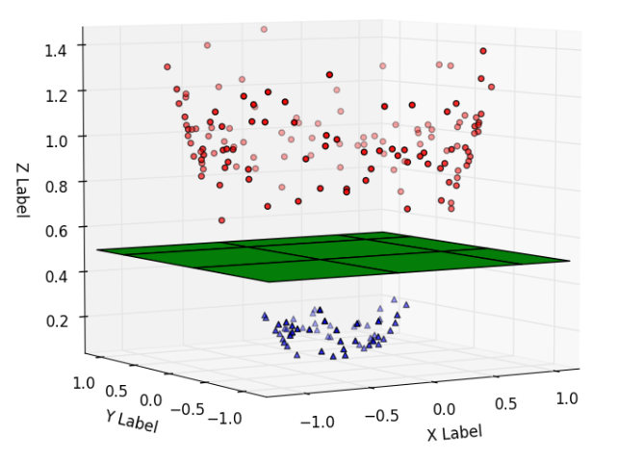 |  | ⇰REFERENCE (Website)-->Medium Regarding Thereotical & Conceptual Understanding of Support Vector Machine (SVM)

 |  |  | ⇰REFERENCE (You Tube)-->Visually Explained Regarding Practical & Conceptual Understanding of Kernel Trick in Support Vector Machine (SVM)

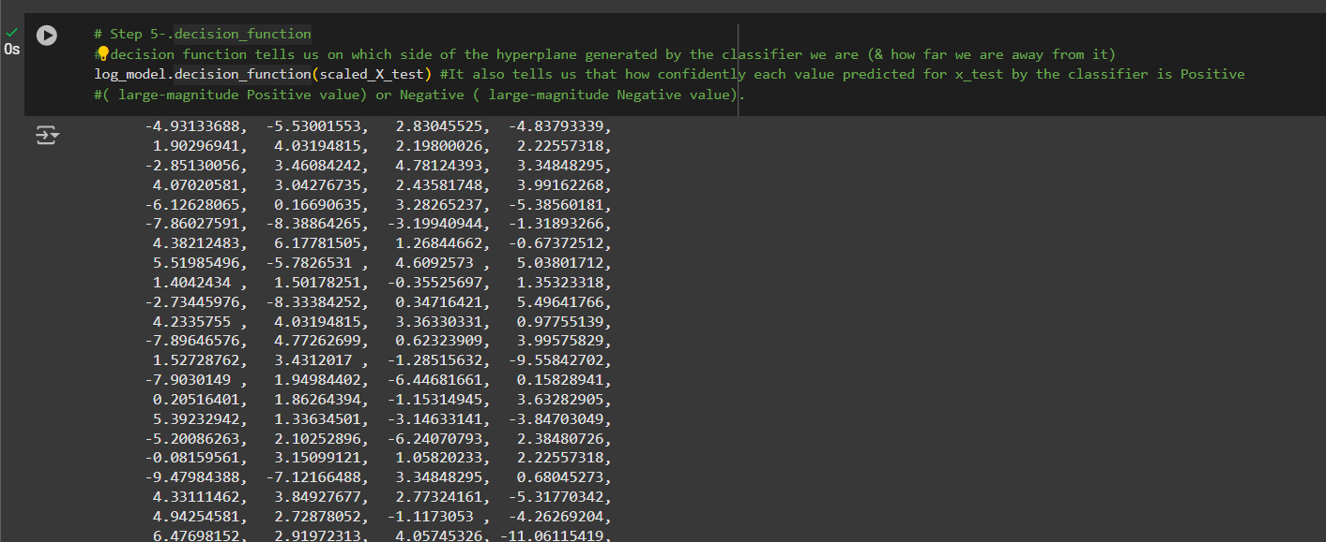 |  |  | ⇰⇰REFERENCE (Website)-->Google Colab (1.5 (viii)) Logistic Regression+Fixed Threshold Classifiers Regarding decision_function Methods of Fixed Threshold Classifier for Thresholds Optimization

⇰get_params(deep=True) ❶Get parameters for this estimator. ❷deep:bool, default=True ,If True, will return the parameters for this estimator and contained sub objects that are estimators. Parameter names mapped to their values in dict format . ❸This must be formatted as a dictionary with the key corresponding to the specific estimator’s parameter names, and the values corresponding to a list of values to pass for the specific parameters. ❹In 2nd Instance we had seen that we Create get_params by using calling keys & display result in List Format. In simple Words Which Fetches current model parameters.
 |  |  | ⇰REFERENCE (Website)-->Scikitlearn Regarding Conceptual Understanding of Various Methods of Fixed Thresholds Classifiers

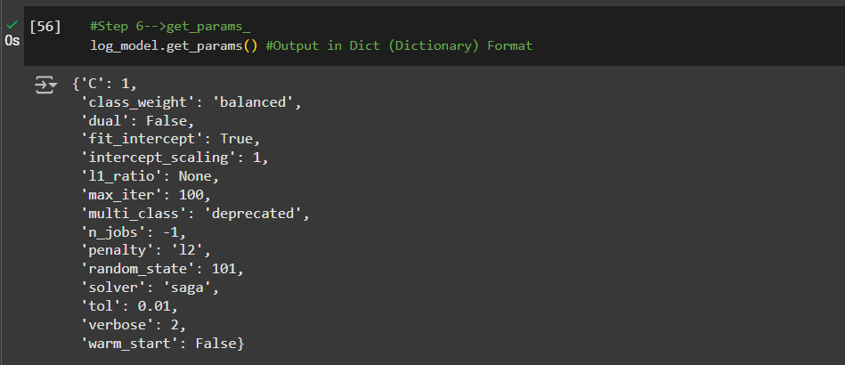 |  |  | ⇰⇰REFERENCE (Website)-->Google Colab (1.5 (viii)) Logistic Regression+Fixed Threshold Classifiers Regarding get_params (dict format) Methods of Fixed Threshold Classifier for Thresholds Optimization

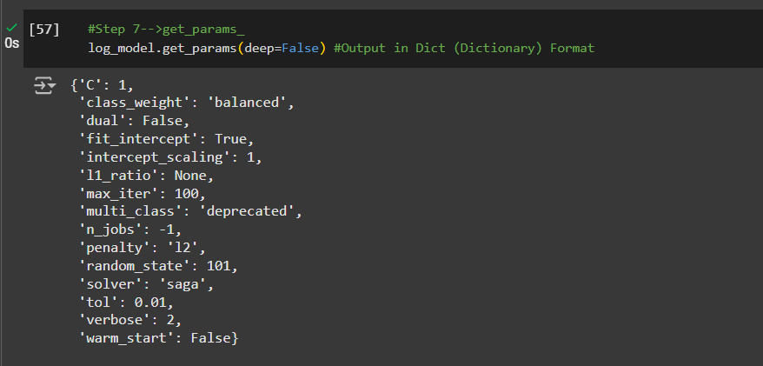 |  |  | ⇰REFERENCE (Website)-->1.5(viii)Google Colab Fixed Threshold Classifier + Logistic Regr Regarding get_params Methods (dictionary format)(deep=False) of Fixed Threshold Classifiers

 |  |  | ⇰REFERENCE (Website)-->1.5(viii)Google Colab Fixed Threshold Classifier + Logistic Regr Regarding get_params Methods (list format) of Fixed Threshold Classifiers

⇰set_params(params) ❶Set the parameters of this estimator . ❷In simple words set_params (Setting or Readjusting any Hyper Parameter again with New Param) ,We can Perform Readjustment or Reconfiguration of any Hyper Parameter for Given Model & then Re-run the Model.

❸Basically in Upcoming Example We can see changes in set_params (n_jobs=>-1) to (n_jobs=>1) & (verbose=>2) to (verbose=>1). If we do comparison against Previous model.get_params() we can see those changes.

 |  |  | ⇰REFERENCE (Website)-->1.5(viii)Google Colab Fixed Threshold Classifier + Logistic Regr Regarding set_params Methods of Fixed Threshold Classifiers

»get_scorer_names ⇰sklearn.metrics.get_scorer_names()

❶Get the names of all available scorers.These names can be passed to get_scorer to retrieve the scorer object.. ❷get_scorer_names is typically a method or function found in machine learning libraries, particularly ones like scikit-learn, where it provides a list of available scoring metrics that can be used to evaluate the performance of a model.When you’re optimizing a model, you might want to compare different metrics or choose a specific metric to focus on. Using get_scorer_names ensures you know all the valid metrics available in the library. |  | 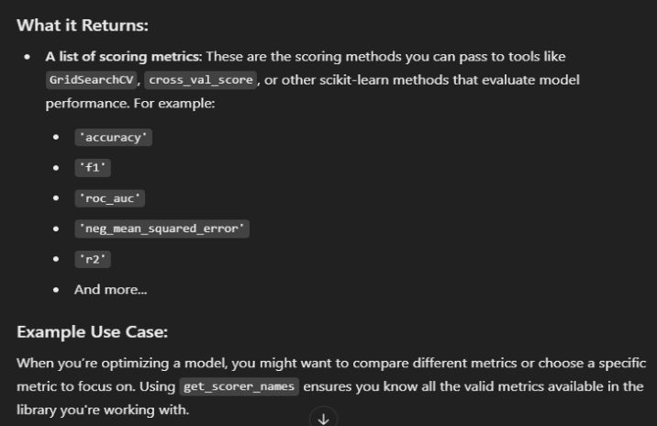 | ⇰REFERENCE (Website)-->Scikitlearn Regarding Conceptual Understanding of Various Methods⇒ get_scorer_names | ⇰REFERENCE (Website)-->Scikit Learn Regarding Metric Scoring Or Various Types of Metric Scoring

 |  |  | ⇰REFERENCE (Website)-->Scikitlearn Regarding Conceptual Understanding of Various Methods of Fixed Thresholds Classifiers

 |  |  | ⇰REFERENCE (Website)-->1.5(viii)Google Colab Fixed Threshold Classifier With Grid Search CV Regarding Practical Implementation of Imperative Methods of get_scorer_names

»make_scorer ⇰sklearn.metrics.make_scorer(score_func, *, response_method=None, greater_is_better=True, needs_proba='deprecated', needs_threshold='deprecated', **kwargs)[source] |  |  | ⇰REFERENCE (Website)-->Scikit Learn Regarding Metric Scoring Or Various Types of Metric Scoring

❶Return the mean accuracy on the given test data and labels. ❷make_scorer⇒ is a utility function in scikit-learn that allows you to turn a custom evaluation metric (A Python function) into a scorer object that can be used for model evaluation, hyperparameter tuning, and cross-validation. It essentially wraps your function into a form that the scikit-learn ecosystem understands.Return the mean accuracy on the given test data & labels. ❸Scorer Metric is used for the purpose for finding what kind of evaluation Criteria is used in Given Data set for the purpose of Finding Out the Error & In this case it is 'accuracy' in AdaBoosting Classifiers. ❹Basically in upcoming example Performance Eval Metric => 'Accuracy' means Correct Prediction=>0.718=>71.8% & (Remaining Incorrect Prediction (Error) =>0.282=>28.2%) . |  | 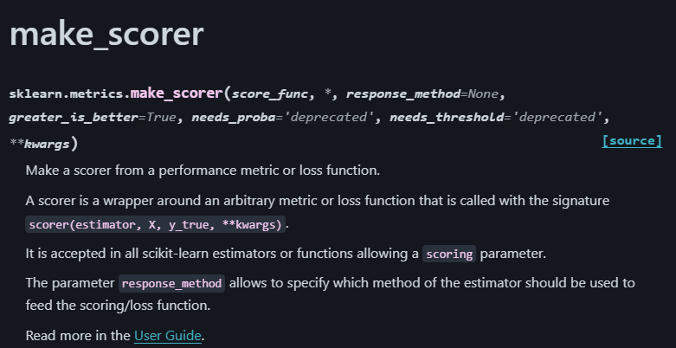
 |  |  | ⇰REFERENCE (Website)-->Scikitlearn Regarding Conceptual Understanding of Various Methods For make_scorer

 |  | 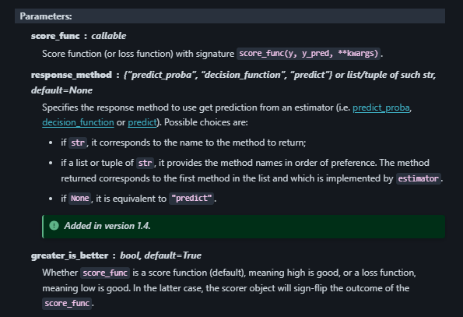
»Example 1: Custom Scorer for Precision
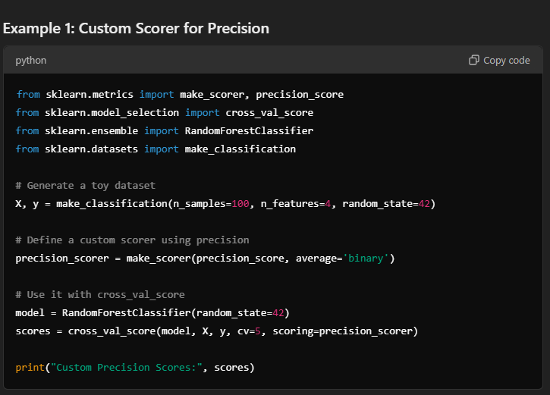

 |  | 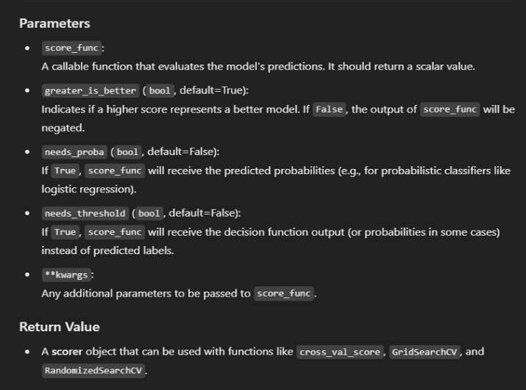
»Example 2: Using Custom Function for scoring
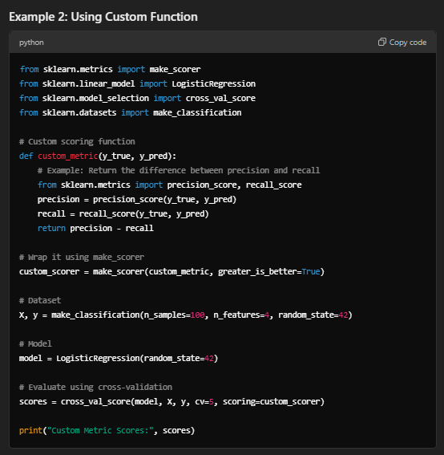

⇒score.response_method('decision_function') OR ('predict_proba') for classification Dataset ❶Specifies how to obtain predictions from the model. ❷By default, response_method='predict' is used for regression models. It calls the predict method of the estimator. ❸(Decision_Function)⇒ method basically returns a Numpy array, In which each element represents whether a predicted sample for x_test by the classifier lies to the right or left side of the Hyperplane & also how far from the HyperPlane. ❹ (predictproba)⇒Classification algorithms usually also offer a way to quantify certainty of a prediction, either using Classification Category in the form of 0 Or 1.Basically Prediction in terms of it's probability ranges in between value 0 & 1 at 0th index. |  |  | ⇰REFERENCE (Website)-->Scikitlearn Regarding Glossary of Common Terms make_scorer.response_method (decision_function) | ⇰REFERENCE (Website)-->Scikitlearn Regarding Glossary of Common Terms make_scorer.response_method (predict_proba)

 |  |  | ⇰REFERENCE (Website)-->Scikit Learn Regarding Metric Scoring Or Various Types of Metric Scoring | ⇰REFERENCE (Website)-->Scikitlearn Regarding Conceptual Understanding of Various Methods of Fixed Thresholds Classifiers

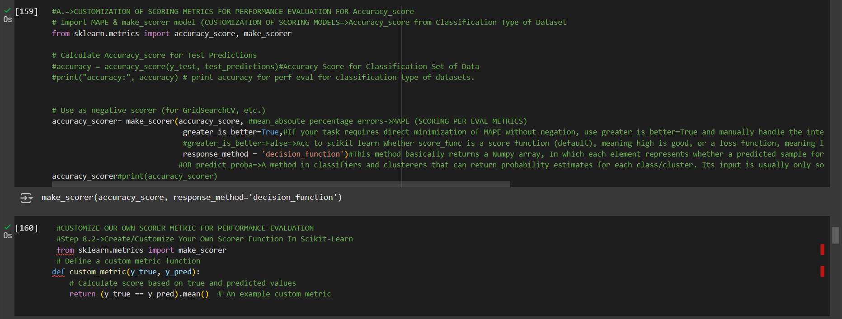
 |  |  | ⇰REFERENCE (Website)-->1.5(viii)Google Colab Fixed Threshold Classifier With Grid Search CV Regarding Practical Implementation of Imperative Methods of make_scorer

5.Attr>Fixed Thresh Classif CV
▣ATTRIBUTES FOR FIXED THRESHOLD CLASSIFIERS |  | REFERENCE

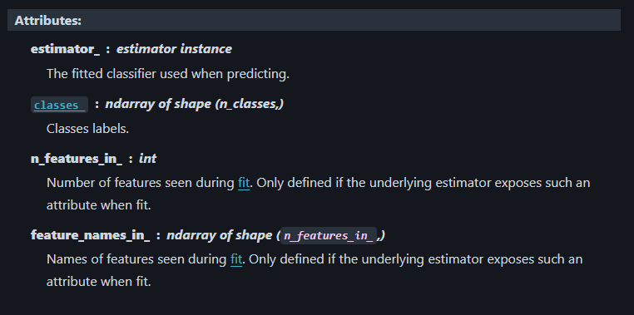 |  | ⇰REFERENCE (Website)-->Scikitlearn Regarding Attributes of Fixed Threshold Classifiers

⇰classes_ndarray of shape (n_classes, ) ❶A list of class labels known to the classifier. ❷Basically in Simple Words Various Classified Labels (Dependent Variable) --> (0&1) While (0) signifies false test result , (1) signifies positive test result |  | ⇰REFERENCE (Website)-->Scikitlearn Regarding Attributes of Fixed Threshold Classifiers

 |  | ⇰REFERENCE (Website)-->1.5(viii) Google Colab Tuned Threshold Classifier + Logistic Regr Regarding classes_ Attributes of Fixed Threshold Classifiers

⇰feature_names_in_:ndarray of shape (n_features_in_,) ❶Names of features seen during fit. Defined only when X has feature names that are all strings & Precede to Feature Scaling Otherwise Due to Feature Scaling it will create Multiple Features Basically in Other Word it Defines the Names of All Features (Independent Variable) (X1 [Physical_Score] ,X2[Age] That are Available in the Given Dataset.

 |  | ⇰REFERENCE (Website)-->Scikitlearn Regarding Attributes of Fixed Threshold Classifiers

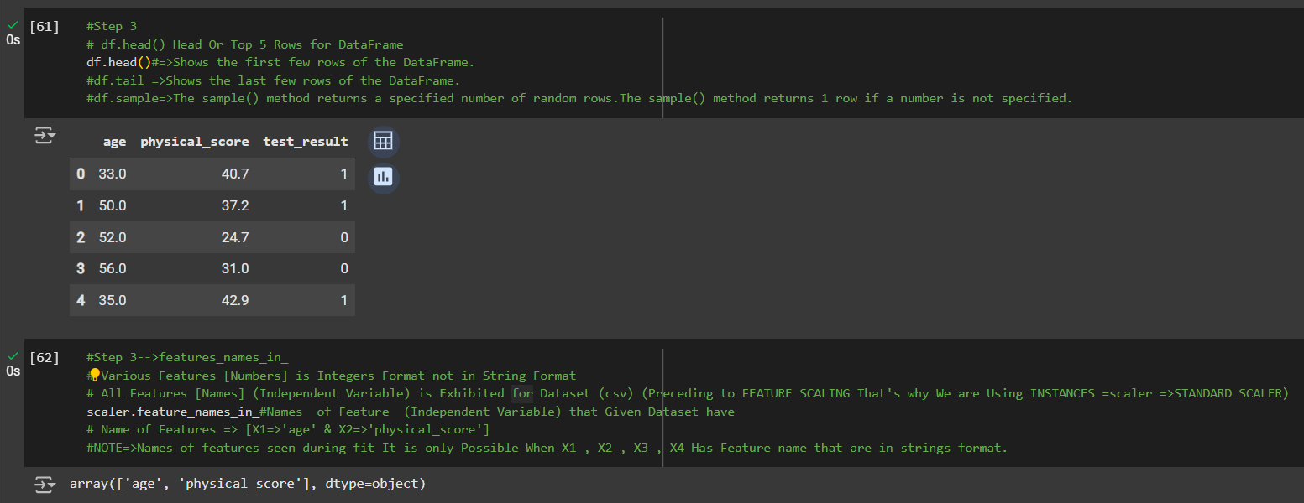 |  | ⇰REFERENCE (Website)-->1.5(viii) Google Colab Tuned Threshold Classifier + Logistic Regr Regarding features_names_in_ Attributes of Fixed Threshold Classifiers

⇰n_features_in_:int ❶Number of features seen during fit. In Simple Words Number of features seen during fit . Only defined if best_estimator_ is defined (see the documentation for the refit parameter for more details) and that best_estimator_ exposes feature_names_in_ when fit. ❷Basically in Simple Words Number of Feature (Independent Variable) that Given Dataset have For Example In this Given Dataset There is Only 2 Features That is [Physical_Score],[Age].

 |  | ⇰REFERENCE (Website)-->1.5(viii) Google Colab Tuned Threshold Classifier + Logistic Regr Regarding n_features_in_ Attributes of Fixed Threshold Classifiers

 | s

6.TRAIN|TEST|SPLIT
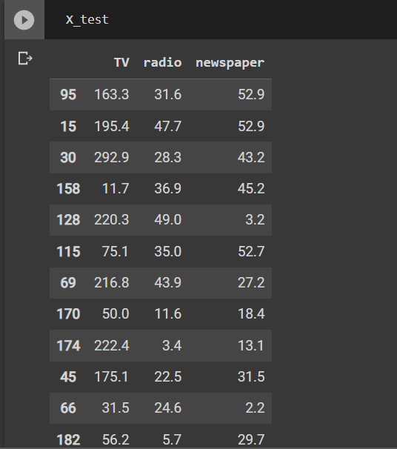
TRAIN | TEST | SPLIT

⇰REFERENCE (WEBSITE)-->Udemy Regarding Train_Test_Split
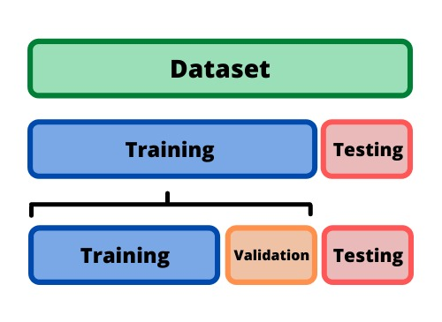 ⇰DEFINITION OF TRAIN-TEST-SPLIT →To fairly evaluate my model's performance, I don't want to evaluate it on the same data it was trained at. First we separates out the features and then it separates out the labels Further we'll separate out a training set and a test set Which Further Subdivide into 4 Components --> X train and Y train and then X test and y test the weights.

PARAMETERS FOR TRAIN | TEST | SPLIT | REFERENCE

⇰X_train→X_train Contains the Values of The Features (X1(Newspaper) ,X2(Radio) , X3(Television) This includes your all independent variables,these will be used to train the model, also as we have specified the test_size = 0.4, this means 60% of observations from your complete data will be used to train/fit the model and rest 40% will be used to test the model. | ⇰REFERENCE (Website)--> Stackoverflow Regarding TRAIN-TEST-SPLIT

⇰X_test→This is remaining 40% portion of the independent variables [Features(X1(Newspaper) ,X2(Radio) , X3(Television)] from the data which will not be used in the training phase and will be used to make predictions to test the accuracy of the model.
 | ⇰REFERENCE (Website)-> Stackoverflow Regarding TRAIN-TEST-SPLIT

⇰y_train→This is your dependent variable which needs to be predicted by this model, this includes category labels against your independent variables (Output =Total Sales), we need to specify our dependent variable while training/fitting the model.

 | ⇰REFERENCE (Website)-->(1.2) Google Colab Linear Regression Regarding Practical Implementation (Coding) of TRAIN | TEST SPLIT
⇰y_test→This data has category labels (Dependent Variable) (Output = Total Sales) for your test data, these labels will be used to test the accuracy between actual and predicted categories.

⇰test_size→test_size is the number that defines the size of the test set. It's very similar to train_size . You should provide either train_size or test_size . If neither is given, then the default share of the dataset that will be used for testing is 0.25 , or 25 percent. Especially in This Case test_size is 0.3 or 30% of Total Data Size.
 | ⇰REFERENCE (Website)-> Scikit Learn Regarding TRAIN-TESTS-SPLIT

⇰Random_state →Random_state is used to set the seed for the random generator so that we can ensure that the results that we get can be reproduced. Because of the nature of splitting the data in train and test is randomised you would get different data assigned to the train and test data unless you can control for the random factor. ↔Example-->For example, imagine you have numbers: 1,2,3,4,5 and you want to select two random numbers. Without using a random_state you would get different things: i.e. first 2,5 then 3,4 and so on.When you control the random generator by setting the random state to 0, 1 or another number, everyone would get the same random numbers generated: i.e random_state=1 then the random numbers are 1,3 and everyone who will pick two random numbers using random_state=1 from 1,2,3,4,5 will get the same two numbers as you: 1,3. →The random state hyperparameter is used to control any such randomness involved in machine learning models to get consistent results. We can use cross-validation to mitigate the effect of randomness involved in machine learning models. →Reason For Random State Usage--> ❶. We need t
 | ⇰REFERENCE (Website)-> Real Python Regarding TRAIN-TESTS-SPLIT

 | ⇰REFERENCE (Website)--> Geeks For Geeks Regarding Practical Impelentation (Coding) of TRAIN | TEST SPLIT

 | ⇰REFERENCE (Website)-> Scikit Learn Regarding TRAIN-TESTS-SPLIT

 | ⇰REFERENCE (Website)-> Real Python Regarding TRAIN-TESTS-SPLIT

⇰Shuffle Split→shuffle is the Boolean object (True by default) that focus on whether to shuffle the dataset before applying the split. →Reason For Random State Usage--> ❶The other reason that we have a random state here is because what Sk learn is going to do when it calls train test split is it's actually going to shuffle the arrays first.So you'll notice here that it actually is calling a shuffle split.That's why main reason it's calling a shuffle split. ❷If we See almost any Data set We can tell that more or less my data appears to be in no sort of sorted order.But for other data sets, it's not uncommon that when you read it in, it's actually already sorted for you. What we don't want to do is if our data set is in some sort of order or sorted is grab the first 70% of the rows for the train set and then the last 30% for the test set. Instead, we want to make sure that we shuffle everything first and then grab the 70% and 30%.That way I don't have an accidentally ordered data set and the test set happens to be all the highest sales and the training set is the lowest 70% of sales. That could be really dangerous as far as fairly evaluating and training your model. So instead we just alleviate any issues of that by shuffling the data set first.

 | ⇰REFERENCE (Website)-->(1.2) Google Colab Linear Regression Regarding Practical Implementation (Coding) of TRAIN | TEST SPLIT

 | ⇰REFERENCE (Website)-->(1.3) Google Colab (Polynomial Regression) Regarding Practical Implementation (Coding) of TRAIN | TEST SPLIT

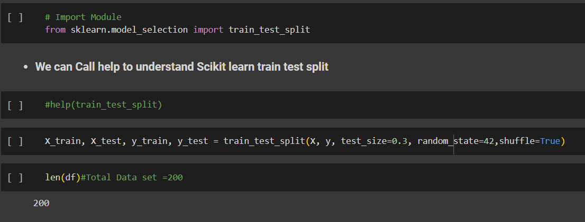 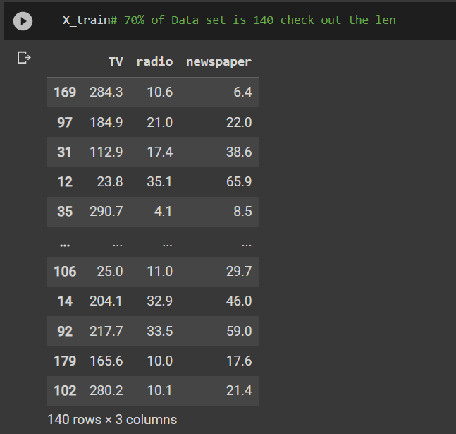 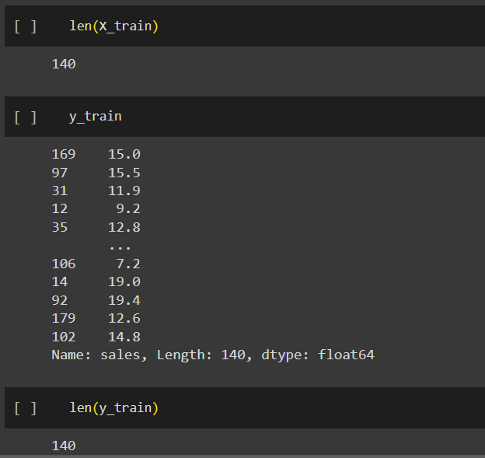 | ⇰REFERENCE (Website)-->(1.2) Google Colab Linear Regression Regarding Practical Implementation (Coding) of TRAIN | TEST SPLIT

 | ⇰REFERENCE (Website)-->(1.3) Google Colab (Polynomial Regression) Regarding Practical Implementation (Coding) of TRAIN | TEST SPLIT

7.Feature Scaling
2. (THEREOTICAL) FEATURE SCALING | REFERENCE

①What is Feature Scaling ? | ⇰REFERENCE (Website)-->Udemy Regarding Definition & Meaning & Definition as well as benefits of Feature Scaling
⇰Many machine learning algorithms perform better when numerical input variables are scaled to a standard range.This includes algorithms that use a weighted sum of the input, like linear regression, and algorithms that use distance measures, like k-nearest neighbors.

②What is Scale Invariance ? | ⇰REFERENCE (Website)-->Wikipedia Regarding Definition & Meaning of Scale Invariance
⇰In physics, mathematics and statistics, scale invariance is a feature of objects or laws that do not change if scales of length, energy, or other variables, are multiplied by a common factor, and thus represent a universality.

 | ⇰REFERENCE (You Tube)-->Feature Scale Importance For Gradient Descent By Priyanshu Vats
③Benefits of Feature Scaling ?
❶The most important benefit is that feature scaling improves the convergence of the steepest descent algorithms & what we mean by that are algorithms like gradient descent in trying to minimize the lost function.Those gradient descent algorithms do not possess the property of Scale Invariance.

 | ⇰REFERENCE (You Tube)-->Code Basics(Hindi) Regarding Overall Thereotical Definition & Practical Implementation (Coding) of Cost Function or Line of Best Fit

❷So what we mean by that is that if you have features that are on different scales and you're trying to use something like gradient descent to figure out the optimal coefficients, certain weights for those coefficients may update faster than others, since the feature values may play a role in those coefficient or weight updates.

❸Essentially what we mean is, if you can imagine gradient descent in multiple dimensions and you have some features on much different or much larger scales than others, then the weights that are being restricted to those really large scales are going to take longer to update than the scales for features that are much smaller & so what you want is that all the features are on roughly the same scale.
 | ⇰REFERENCE (You Tube) --> Krishna Naik Regarding Overall Implementation & Def & Why and When Should we Perform Feature Normalization?

❹That way, the gradient descent as far as the convergence of the optimal coefficients or weights can take around the same amount of time for each of those features.So that really is the critical benefit of feature scaling.
 | ⇰REFERENCE (Website)--> Scikit Learn Regarding Practical Implementation & Definition of Feature Scaling (Especially Standard Scaler)

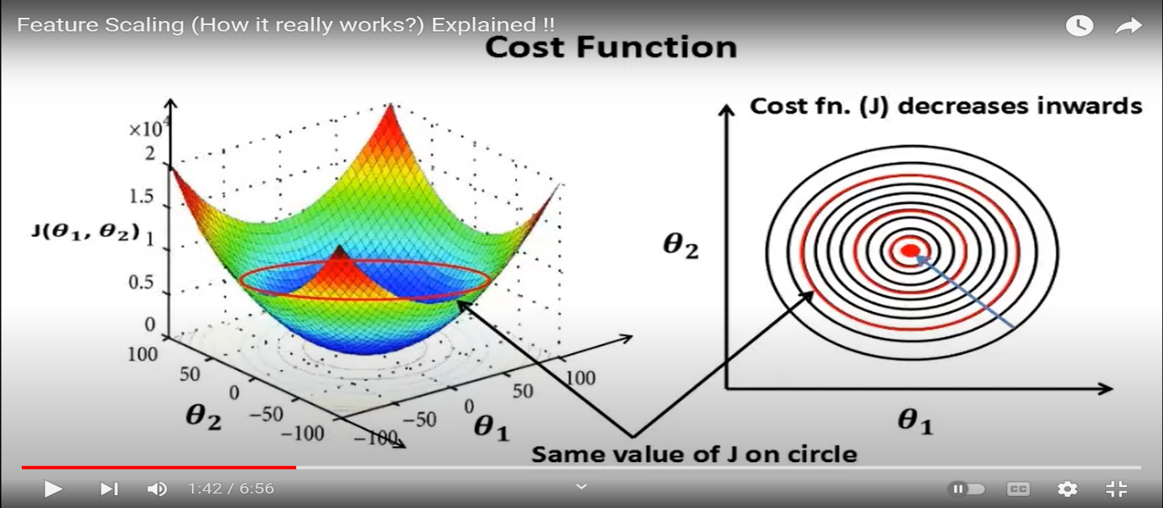

 | ⇰REFERENCE (Website)-->Udemy Regarding Definition & Meaning & Definition as well as benefits of Feature Scaling

 | ⇰REFERENCE (You Tube)-->Feature Scale Importance For Gradient Descent By Priyanshu Vats

 | ⇰REFERENCE (You Tube)-->Code Basics(Hindi) Regarding Overall Thereotical Definition & Practical Implementation (Coding) of Cost Function or Line of Best Fit

④Caveats (Warning) of Using Feature Scaling in Various Models ?

⇰Must Always Scale new Unseen data Before Feeding to Model. ⇰Effect Direct Interpretability of Feature Coefficients. ❶Easier to Compare coefficients to one another , harder to relate back to original unscaled feature

 | ⇰REFERENCE (Website)-->Geeks For Geeks Regarding ML | Feature Scaling – Part 2

B. TYPES OF FEATURE SCALING | REFERENCE

①STANDARDIZATION (Standard Scaler) Or Z score Normalization | ⇰REFERENCE (Website)--> Scikit Learn Regarding Practical Implementation & Definition of Feature Scaling (Especially Standard Scaler)
⇰Standardization Rescales data to have a mean that is mu of 0 and a standard deviation of 1, which means you're essentially standardizing all your data to follow a standard normal distribution so you could have negative values there. Name Sake Can be confusing since this also referred as Z score normalization ⇰Name Sake Can be confusing since this also referred as Z score normalization ⇰Standardization scales each input variable separately by subtracting the mean (called centering) and dividing by the standard deviation to shift the distribution to have a mean of zero and a standard deviation of one. ⇰In Simple Words Standardization Mean Rescaling Data to have mean (μ) of 0 & Standard Deviation (σ) of 1 Unit Variance) .

 | ⇰REFERENCE (Website)-->Udemy Regarding Definition & Meaning & Definition as well as benefits of Feature Scaling

 | ⇰REFERENCE (Website)-->Machine Learning Mastery Regarding Thereotical & Practical (Coding) Implementation Regarding Meaning & Understanding of 1st Types of Feature Scaling That is Standardization
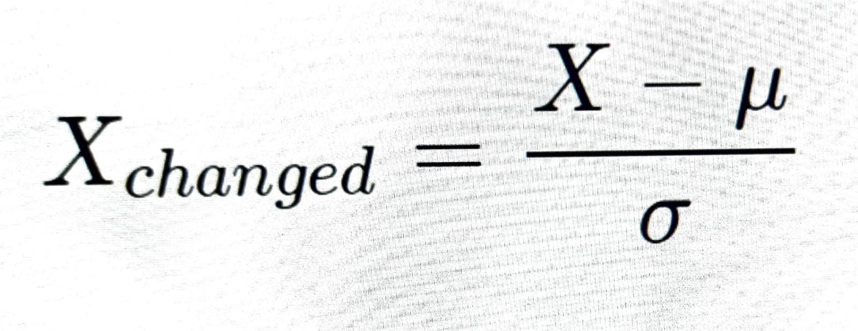

 | ⇰REFERENCE (You Tube)-->Feature Scale Importance For Gradient Descent By Priyanshu Vats

 | ⇰REFERENCE (You Tube)-->Code Basics(Hindi) Regarding Overall Thereotical Definition & Practical Implementation (Coding) of Cost Function or Line of Best Fit
❶PRACTICAL IMPLEMENTATION OF PLOTTING TYPES OF FEATURE SCALING (STANDARDIZATION) IN 1.3 POLYNOMIAL REGRESSION & FEATURE SCALING

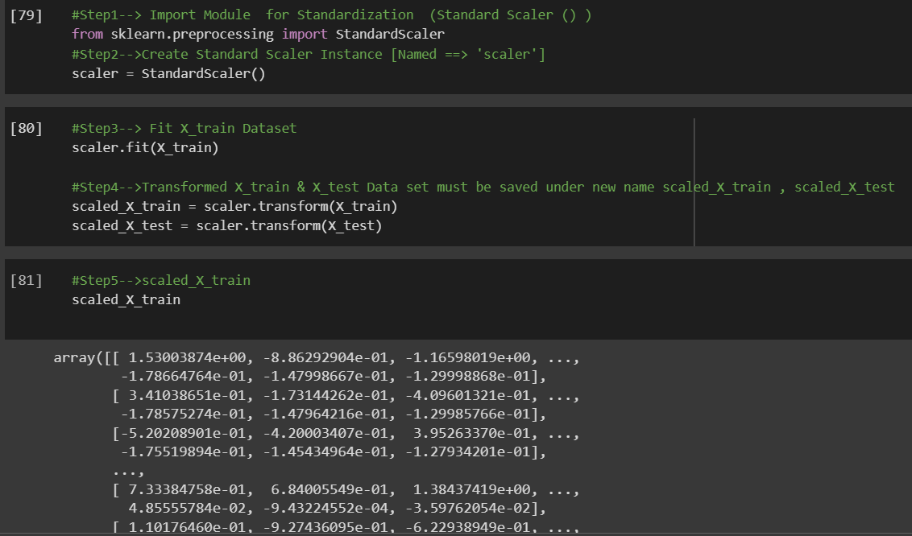

 | ⇰REFERENCE (Website) --> 1.3 Google Colab (Polynomial Regression & Feature Scaling) Regarding Practical Implementation & (Coding) 1st Types of Feature Scaling That is == (Standardization) Standard Scaling

 | ⇰REFERENCE (Website)-->Analytics Vidhya Regarding Meaning of Feature Scaling & Types of Feature scaling 1. Standardization 2.Normalization

 | ⇰REFERENCE (Website)-->Scikit Learn Regarding Practical Implementation & Definition of Feature Scaling (Especially Min-Max Scaler)

